Hiearchy View
CLASS: NOZZLE
a cylindrical or round spout at the end of a pipe, hose, or tube used to control a jet of gas or liquid. |  | 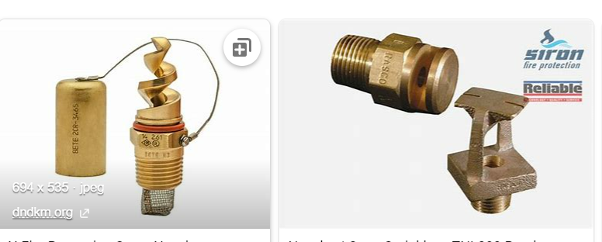
REMOVE | N

PROBLEM_DESC | CAUSE_DESC | REMEDY_DESC
ALARM/SENSOR
BROKEN/DAMAGED
LEAKING
OTHER PROBLEM
PRESSURE
STOPPED/SLOWED/POOR OPS
TEMP-CTRL
VIBRATION
Grand Total

